Skill Tree
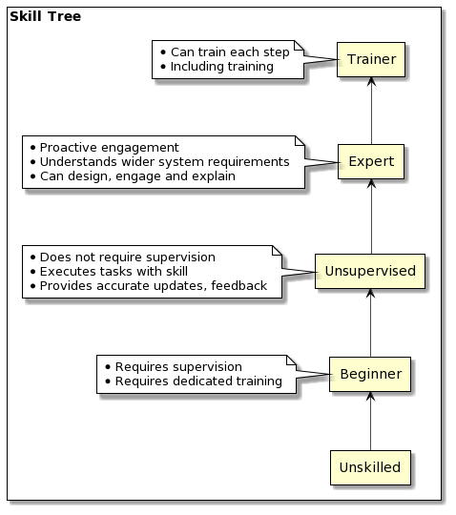
Skill Tree | Label | Value | Description
 | S4:Trainer | 4 | Can transfer knowledge to others and enables them to advance
 | S3:Expert | 3 | Has deep, system context understanding, can communicate insights, lead or contribute to design
 | S2:Unsupervised | 2 | Has working knowledge and skills, can work without supervision and provides accurate updates, assessments and feedback
 | S1:Beginner | 1 | Has limited skills in this area, requires supervision, guidance and training
 | S0:Unskilled | 0 | Has no skill or experience in this area

Project Profile
 | Project weight | Project profile | Team profile
NodeJS | 15 | 10.941176471 | 21
React | 25 | 18.235294118 | 22
Frameworkless | 15 | 10.941176471 | 17
Java | 25 | 18.235294118 | 10
Data Engineering | 20 | 14.588235294 | 13
Containers | 15 | 10.941176471 | 15
Kubernetes | 25 | 18.235294118 | 16
Security | 30 | 21.882352941 | 10

Points total | 0.72941176471 | 124 | 124

